Shaft
Out put shaft
Gear | Distance from Rigth supprot (mm) | Power need to be transmitted (w) | Angular speed of the shaft (rads-1) | Torque on shaft (Nm) | PCD (mm) | Tangential force on gear (N) | Radial force on gear (N) | Resultant force on gear (N) | Vertical BM (Nm) | Horizontal BM (Nm) | Resultant BM (Nm) | σ_max (MPa) | τ_max (MPa) | Safety factor | Km value | Kt value | d_τ (mm) | d_σ (mm) | Diameter |  | After Bearing selection
1 | 82.5 | 1500 | 5.581086473 | 268.76487352 | 168 | 3199.5818276 | 1164.5525473 | 3404.9238621 | 96.075585155 | 263.96550078 | 280.90621863 | 441.66666667 | 325 | 1.2 | 1.5 | 1 | 19.858876881 | 21.981972126 | 22 | 33 | 35
2 | 120 | 1500 | 4.8788305592 | 307.45072652 | 177 | 3474.0195087 | 1264.4396944 | 3696.9743423 | 151.73276333 | 416.88234105 | 443.63692108 | 441.66666667 | 325 | 1.2 | 1.5 | 1 | 22.563477958 | 25.264622993 | 26
3 | 212.5 | 1500 | 3.6651914292 | 409.25556795 | 192 | 4263.0788328 | 1551.6338015 | 4536.6737362 | 329.72218281 | 905.90425197 | 964.04316894 | 441.66666667 | 325 | 1.2 | 1.5 | 1 | 28.663898578 | 32.397622766 | 33
Reverse | 27.5 | 1500 | 5.235987756 | 286.47889757 | 159 | 3603.5081455 | 1311.5697039 | 3834.7732714 | 36.068166857 | 99.096474001 | 105.45626496 | 441.66666667 | 325 | 1.2 | 1.5 | 1 | 17.244690346 | 17.755597798 | 18

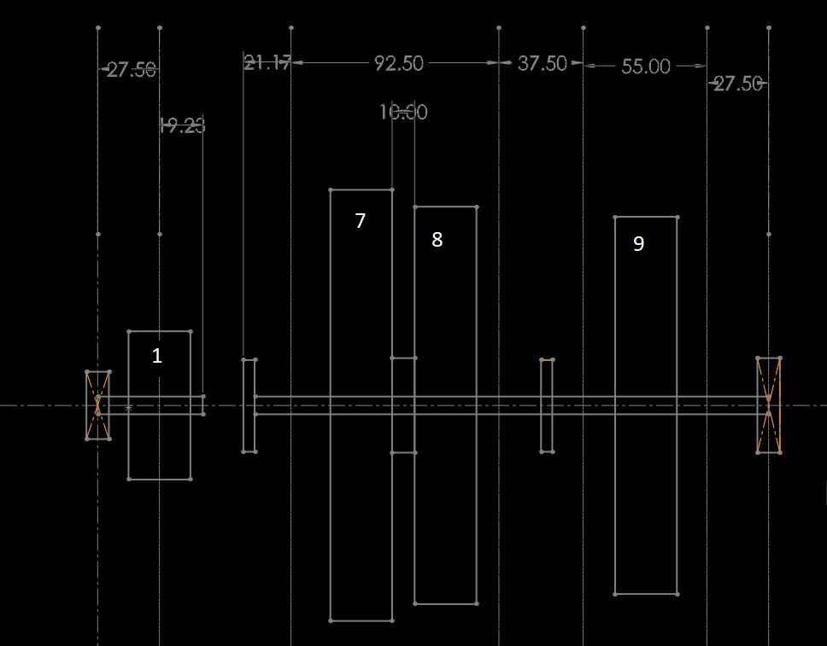
 |  |  |  |  | Yield Strength (MPa) |  | Shear Strength (MPa) |  | Tensile Strength: Ultimate
 |  |  | ASTM 1040 Carbon Steel | Cold Draw | 530 |  | 390 |  | 640
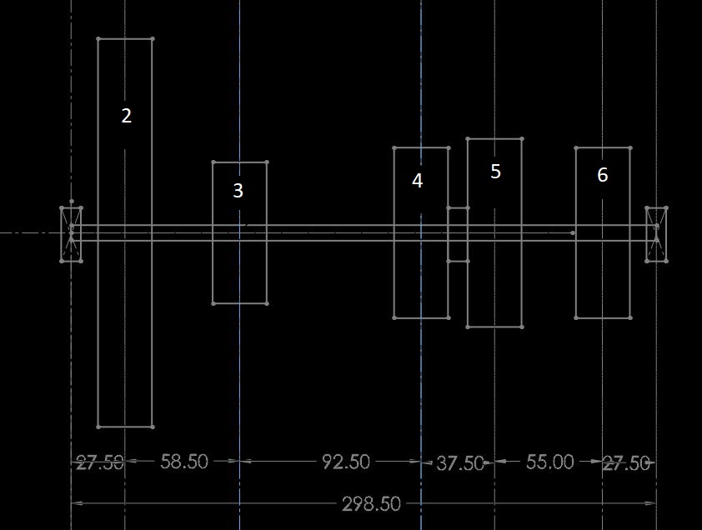

Input shaft
Gear | Distance from left supprot (mm) | Distance from Rigth supprot (mm) | Power need to be transmitted (w) | Angular speed of the shaft (rads-1) | Torque on shaft (Nm) | PCD (mm) | Tangential force on gear (N) | Radial force on gear (N) | Resultant force on gear (N) | Vertical BM (Nm) | Horizontal BM (Nm) | Resultant BM (Nm) | σ_max (MPa) | τ_max (MPa) | Safety factor | Km value | Kt value | d_τ (mm) | d_σ (mm) | Diameter | After Bearing selection
- | 27.5 | - | 1500 | 30.159289474 | 49.735919716 | 66 | 1507.1490823 | 548.55740456 | 1603.8745532 | 41.446599764 | 15.085328625 | 44.106550213 | 441.66666667 | 325 | 1.2 | 1.5 | 1 | 10.905668632 | 11.975266893 | 12 | 15

Idler Shaft
Gear | Distance from left supprot (mm) | Distance from Rigth supprot (mm) | Power need to be transmitted (W) | Angular speed of the shaft (rads-1) | Torque on shaft (Nm) | PCD (mm) | Tangential force on gear (N) | Radial force on gear (N) | Resultant force on gear (N) | Vertical BM (Nm) | Horizontal BM (Nm) | Resultant BM (Nm) | σ_max (MPa) | τ_max (MPa) | Safety factor | Km value | Kt value | d_τ (mm) | d_σ (mm) | Diameter | After Bearing selection
- | - | 27.5 | 1500 | 10.053096491 | 149.20775915 | 84 | 3552.565694 | 1293.0281679 | 3780.5614468 | 97.695556585 | 35.558274617 | 103.96543979 | 441.66666667 | 325 | 1.2 | 1.5 | 1 | 15.010661205 | 16.245009231 | 17 | 22

Lay Shaft |  |  |  |  |  |  |  |  |  | LEFT GEAR |  |  | RIGHT GEAR
Gear | Distance from left supprot (mm) | Distance from Rigth supprot (mm) | Power need to be transmitted (w) | Angular speed of the shaft (rads-1) | Torque on shaft (Nm) | PCD (mm) | Tangential force on gear (N) | Radial force on gear (N) | Resultant force on gear (N) | HBM_LEFT | VBM_LEFT | Resaltant | HBM_RIGHT | VBM_RIGHT | Resultant | BM_Max | σ_max (MPa) | τ_max (MPa) | Safety factor | Km value | Kt value | d_τ (mm) | d_σ (mm) | Diameter | After Bearing selection
input | 27.5 | 271 | 1500 | 10.053096491 | 149.20775915 | 198 | 1507.1490823 | 548.55740456 | 1603.8745532 |  |  |  |  |  |  |  | 441.66666667 | 325 | 1.2 | 1.5 | 1 | 18.424947877 | 20.70145262 | 21 | 22
3 | 86 | 212.5 | 1500 | 10.053096491 | 149.20775915 | 72 | 4144.6599764 | 1508.5328625 | 4410.6550213 | -43.511987273 | 43.228184164 | 61.334891722 | -224.24207242 | 103.09571322 | 246.8060638 | 246.8060638 | 441.66666667 | 325 | 1.2 | 1.5 | 1 | 18.424947877 | 20.70145262 | 21
2 | 178.5 | 120 | 1500 | 10.053096491 | 149.20775915 | 87 | 3430.0634287 | 1248.4409897 | 3650.197259 | -0.2920629106 | 27.497418169 | 27.498969194 | -229.47526523 | 95.651073482 | 248.61219844 | 248.61219844 | 441.66666667 | 325 | 1.2 | 1.5 | 1 | 18.463550817 | 20.74819543 | 21
1 | 216 | 82.5 | 1500 | 10.053096491 | 149.20775915 | 96 | 3108.4949823 | 1131.3996469 | 3307.991266 | 14.002112378 | 22.294763841 | 26.32708958 | -174.11737388 | 71.712165225 | 188.30691577 | 188.30691577 | 441.66666667 | 325 | 1.2 | 1.5 | 1 | 17.106539357 | 19.075175664 | 20
Reverse | 271 | 27.5 | 1500 | 10.053096491 | 149.20775915 | 84 | 3552.565694 | 1293.0281679 | 3780.5614468 | 28.62780814 | 16.971445928 | 33.280345187 | -84.876764962 | 33.672157315 | 91.311989402 | 91.311989402 | 441.66666667 | 325 | 1.2 | 1.5 | 1 | 14.69604514 | 15.760715532 | 16
 | 298.5
length | 298.5

 |  |  | bearing
 | length of gear box | 80 | re
 |  | 50 | 1
 |  | 20 | 2
 |  | 40 | 3
 |  | 150
 |  |  | bearing

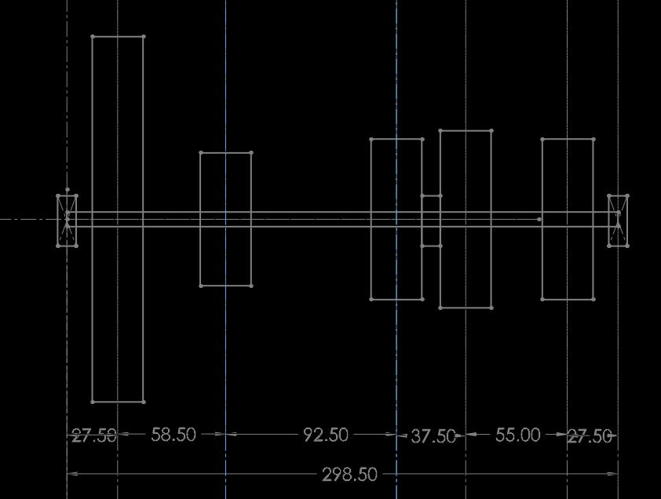

 |  |  |  |  |  |  |  |  |  | matitrial | 1141 Q&T 315 C

 | Bearings

Gear
1
2
3
Reverse

Bearings
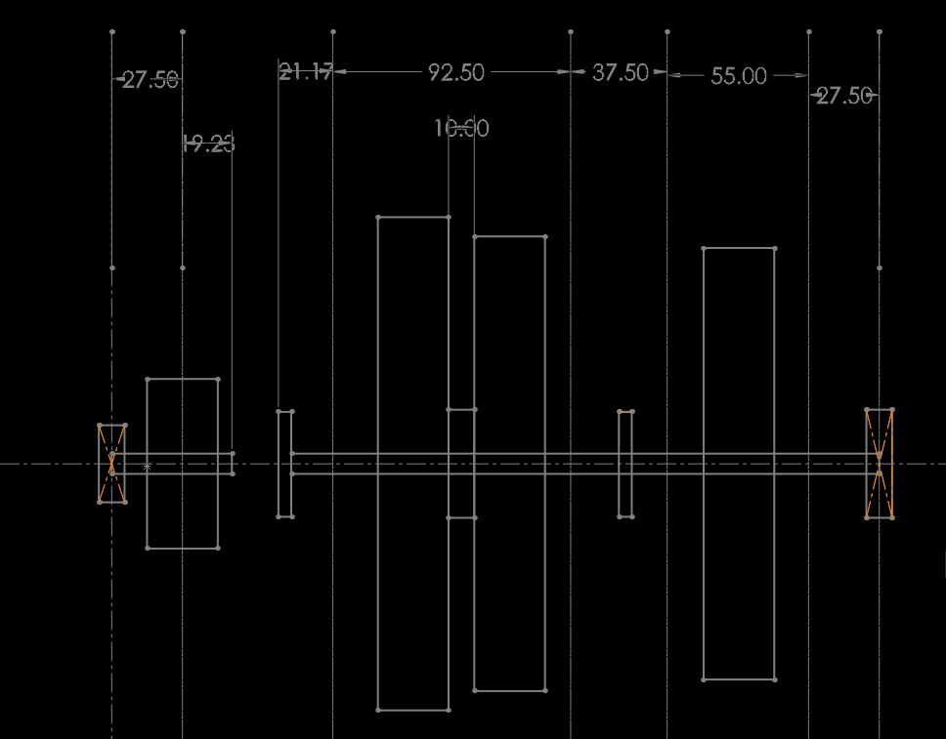
Bearing | Gear Engaged | Horizontal (N) | Vertical (N) | Resultant (Radial, N) | Maximum (N)
1 | All | 1507.1490823 | 548.55740456 | 1603.8745532 | 1603.8745532
2 | 3 | -1582.2540826 | 1571.9339696 | 2230.359699 | 2230.359699
 | 2 | -10.620469476 | 999.90611524 | 999.96251613
 | 1 | 509.16772284 | 810.71868511 | 957.34871201
 | R | 1041.0112051 | 617.14348829 | 1210.1943704
3 | 3 | -1055.2568114 | 485.1562975 | 1161.4403002 | 3320.4359783
 | 2 | -1912.2938769 | 797.09227901 | 2071.7683203
 | 1 | -2110.5136228 | 869.23836636 | 2282.50807
 | R | -3086.4278168 | 1224.4420842 | 3320.4359783
4 | 3 | 4263.0788328 | 1551.6338015 | 4536.6737362 | 5073.1085968
 | 2 | 3474.0195087 | 3696.9743423 | 5073.1085968
 | 1 | 3199.5818276 | 3404.9238621 | 4672.3474163
 | R | 3603.5081455 | 1311.5697039 | 3834.7732714
5 | All | 3552.565694 | 1293.0281679 | 3780.5614468 | 3780.5614468

Bearing | Expected Lifetime (Millions) | Reliability | Life Adjustment Factor (a) | C_r (N) | Bearing No. | d (mm) | D (mm) | B (mm) | r (mm)
1 | 124.416 | 0.9 | 1 | 8006.8644296 | 6302 | 15 | 42 | 13 | 1.5
2 | 41.472 | 0.9 | 1 | 7720.164762 | 62/22 | 22 | 50 | 14 | 1.5 | Life Expectancy
3 | 41.472 | 0.9 | 1 | 11493.353671 | 63/22 | 22 | 56 | 16 | 2 | Years | 3
4 | 23.0236344 | 0.9 | 1 | 14432.186061 | 6207 | 35 | 72 | 17 | 2 | Hrs. / Day | 10
5 | 41.472 | 0.9 | 1 | 13086.031493 | 63/22 | 22 | 56 | 16 | 2 | Months. / Year | 8

